Partner accounts
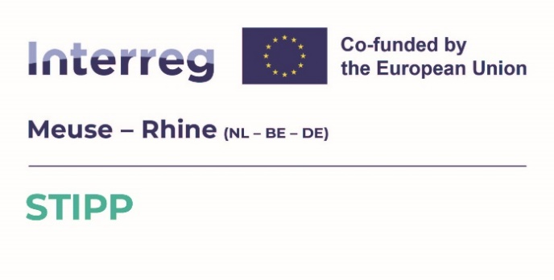
 | Project partner: | Please type your company name here

 | Start-ups - No need to fill in the financial details below. Tick the appropriate box and upload the form in JEMS STIPP. Please remember that a business plan also needs to be provided. (This business plan should cover the entire period (financial years) until the entity will generate turnover. Financial projections concerning the profit-and loss account, balance sheet and forecasted head count of the company, together with a narrative part describing the core activity of the company and its expected market position, should be considered as minimal requirements of the business plan. The document should be dated and signed by a person entitled to engage the company.) For equity - Tick the appropriate box, fill in the financial details below and upload this form in JEMS STIPP. The data in the UID test must be supported by the financial statements of the last completed financial year. Part of a group – Tick the appropriate box, fill in and submit the financial details below and the 2nd Excel sheet: The data in the UID test must be supported by the financial statements of the last completed financial year (a copy of the consolidated financial statements at group level or of the affiliated companies separately).
Tick the box(es) to confirm which case applies to your company:
Case |  | Description |  |  |  | Financial details
 | Younger than 3 years | Your company is younger than 3 years. |  |  |  | No need to fill in the financial details below. You can submit this form.
 | No shares | Your company's equity is NOT divided into shares, for example a sole proprietorship, general partnership or a cooperation. |  |  |  | No need to fill in the financial details below. You can submit this form.
 | Equity divided into shares | Your company's equity is divided into shares (for example, your company is a BV, GmbH, SRL). |  |  |  | Fill in the financial details below and submit this form.
 | Part of a group (at least 1 affiliated company) | Part of a group: you also have to fill in and submit the second excel sheet 'Consolidated group accounts'. |  |  |  | You must fill in and submit the financial details below and the 2nd Excel sheet:
 |  | Please note: if your company is part of a group (there is at least 1 affiliated company with your company), the age within that group (i.e. the oldest affiliated company) must be considered! |  |  |  | Consolidated group accounts

 |  | FINANCIAL DETAILS
 |  | ACCOUNTING YEAR
 |  | 1. Select the concerned accounting year => |  |  | 2024

 |  | ANNUAL ACCOUNTS
 |  | 2. Fill in the totals from your annual accounts below:

 |  | Issued and paid-up share capital / Geplaatst en gestort aandelenkapitaal / Ausgegebenes und eingezahltes Aktienkapital / Capital social émis et libéré |  |  | -

 |  | Total equity / Totaal eigen vermogen / Gesamteigenkapital / Capitaux propres totaux |  |  | -

 |  | Undertaking in difficulty
 |  | Definition for small and medium size companies
 |  | A company is an undertaking in difficulty (UID) when the total equity is smaller than the issued and paid-up share capital/registered (or contributed) capital divided by 2

 |  | This translates into a ratio: UID when Total equity / Issued and paid-up share capital/registered (or contributed) capital smaller than 0,5.

 |  |  |  | UID ratio | #DIV/0! | (UID when <0,50)
 |  |  | 3. Check your status => | Result | #DIV/0!
 |  | COMMENTS
 |  | If necessary, you can add some comments below:

Consolidated group accounts
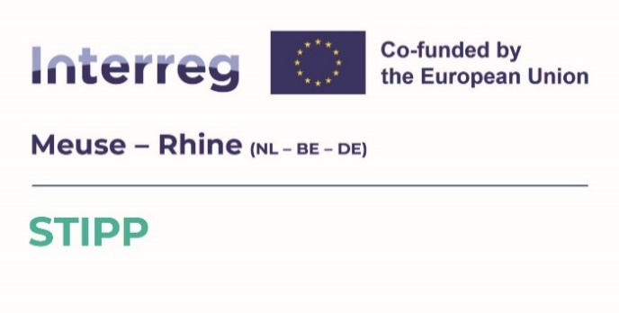
Project partner: | Please type your company name here

Parent company: | Please type your parent company name here

When does this form needs to be filled in?
In accordance with European rules, we must include the parent company's financial statement in the assessment of solvency. If your company is part of a group then we request you to also fill in and submit this sheet. Do not forget to submit the financial data confirming the amounts used in Financial details below ! Please note: if your company is part of a group (there is at least 1 affiliated company with your company), the age within that group (i.e. the oldest affiliated company) must be considered! REMARK: A subsidiary must be consolidated in the financial statements of the parent company when the parent company has dominant control over the subsidiary. This is usually the case when the parent company holds more than 50% of the voting rights in the subsidiary. However, consolidation may also be required in the case of a minority interest (less than 50%) if the parent company still exercises effective control.

If your (parent) company is younger than 3 years, tick the following box and submit the form without filling in the financial details: |  |  | Younger than 3 years

FINANCIAL DETAILS
ACCOUNTING YEAR
1. Select the concerned accounting year => |  |  |  | 2024

ANNUAL ACCOUNTS
2. Fill in the totals from your annual accounts below:

Issued and paid-up share capital / Geplaatst en gestort aandelenkapitaal / Ausgegebenes und eingezahltes Aktienkapital / Capital social émis et libéré |  |  |  | -

Total equity / Totaal eigen vermogen / Gesamteigenkapital / Capitaux propres totaux |  |  |  | -

Undertaking in difficulty
Definition for small and medium size companies
A company is an undertaking in difficulty (UID) when the total equity is smaller than the issued and paid-up share capital/registered (or contributed) capital divided by 2

This translates to a ratio: UID when Total equity / Issued and paid-up share capital/registered (or contributed) capital smaller than 0,5.

 |  |  | UID ratio | #DIV/0! | (UID when <0,50)
 |  | 3. Check your status => | Result | #DIV/0!

Comments
If necessary, you can add some comments below:

